demand
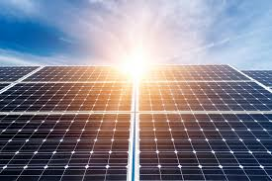 | ON SITE RENEWABLE ENERGY – ELECTRICAL POWER GENERATION
 | Total Estimated Connected Load kW

Total Connected Load |  |  |  | kWp

Chilled Water Pumps |  |  |  | m2

Outdoor AC units (e.g. Chillers, Condensors, Cooling Tower …)

Fire Fighting System | 0.0 |  |  | kWp

Lighting Load of Common Areas |  |  |  | m2

Solar Panel Type:

Declaration: I confirm that the information given in this form is true, complete and accurate. In case any of the above information is found to be false or untrue, I am aware that I may be held liable for it.

Consultant / Applicant |  | Signature | Stamp

